ALL Teacher Overview
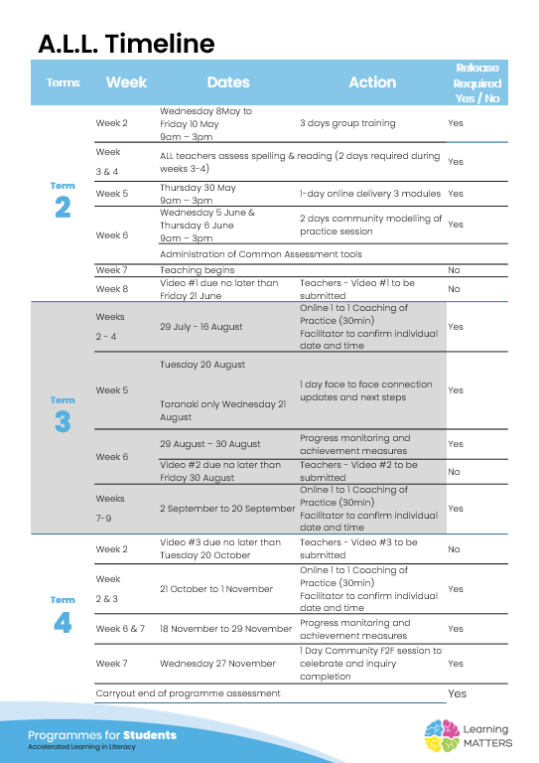

Roadmap
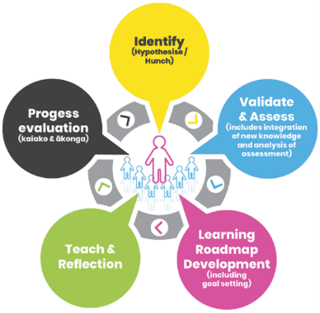 |  | The Inquiry cycle understood …
 |  | Hunch | What do you suspect is the cause of literacy underachievement? The students are stuggle with transferring spelling patterns from reading and using them in writing. They are spelling the same words incorrectly over and over again.
 |  | Validate and Assess | Once you have completed all assessments has your hunch been validated and or is further assessment or knowledge building necessary? After analysing the spelling results, I noticed that there were some common gaps and these were the spelling concepts that I have noticed students were not transferring over to writing. After conducting the ORF it was clear there was a correlation between their reading fluency as the students who scored low in the ORF also scored low in spelling. This started to make me think that these students are still decoding words and mapping these words incorrectly when writing them.
 |  | Roadmap Actions | Now you have greater knowledge and relevant assessment findings what steps will you take? My next steps will be to see my tier 2 group and focus on Spelling stage 2 Concept 2 as this was the starting point indicated from the group report. I will do the spelling Stage 2 with the whole class then review with my tier 2 group so they are getting more doses.
 |  | Goal Setting | Write a goal for you as the teacher that reflects your aspirations to continue to improve both knowledge and practice and also a goal for your group of students. My goal as a teacher is improve my knowledge and practice around the spelling stage and concepts needing to be taught. A goal for the group of students is to be able to transferr their spelling into writing so them being confident to decode and encode a word - finger spelling etc
 |  | Teaching | What will the key components of your teaching sessions include for this group of Tier 2 students? Spelling Stage 2 Concepts - explicitly teaching these and reviewing
 |  | Reflection | You will be required to reflect throughout your roadmap at regular intervals, particularly after observations and coaching sessions.
 |  | Progress evaluation | At the beginning of Term 3 and again at the end of term 4 you will evaluate the progress both you and your students have made.

Roadmap for implementation and tracking progress and actions
Now use the information and reflections above to map out your roadmap and set goals for your inquiry. ALL participants will be required to keep a journal of their progress and actions. This will assist in monitoring achievements and progress towards teacher and student goals.
Term 2 Goal Setting
Teacher goal |  | To improve my knowledge and practice aroudnd the spelling stages and concepts and how to explicitly teach these.
Student outcome goals

Term 2 Roadmap
Week | Focus | Teacher Actions | Reflection and next steps
3
4
5
6
7 | Spelling Stage 2 Concept #2 |  | Get students to play the game on a Friday as we run out of time also make sure I have a modelling book with the words written up.
8 | Spelling Stage 2 Concept #3,4
9 | Spelling Stage 2 Concept #5
10 | Spelling Stage 2 Cocnept #6

Term 2 Evaluation & Term 3 Goal Setting
Student progress and next steps
Teacher progress and next steps

Term 3 Roadmap
Week | Focus | Teacher Actions | Reflection and next steps
1
2
3
4
5
6
7
8
9
10

Term 3 Evaluation & Term 4 Goal Setting
Student progress and next steps
Teacher progress and next steps

Term 4 Roadmap
Week | Focus | Teacher Actions | Reflection and next steps
1
2
3
4
5
6
7
8

Term 4 Evaluation & Final Reflections
Student progress and next steps
Teacher progress and next steps

